Sheet1
 | Document No. |  | Issue No. | Issue Date |  | Review and Replace Date |  |  |  | Authorised By
 | GFF251MC |  | 2 | 25.01.2020 |  | 11.06.2021 |  |  |  | Magda Shah
 | Document Title |  | SPICY CHICKEN TIKKA WITH MINT RAITA DIP 220g
Document amendments reason for change | Shelf life updated |  |  |  | Page 1 of 1 |  | Previous Issue Date | 25.01.2020 |  | Uncontrolled copy unless signed original

CCSTIK-R4TCC |  | CHEFS CREATION | SPICY CHICKEN TIKKA WITH MINT RAITA DIP 220g | CHILLED

STEP 1 |  |  |  |  | STEP 2
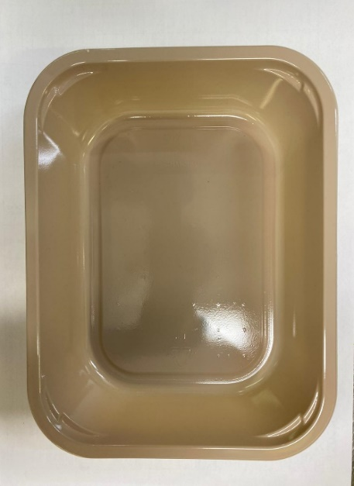 |  |  |  |  | 

Tray: EVOLVE CPET 2200-1E (PKRHP001-08) |  |  |  |  | Spicy Chicken Tikka (GFF346R): 130g
Line 1: Mylar 250LAF 250mm x 1000 (PKWRA001-08)
Line 1: K-Peel 75G + AF 25 250mm (PKKMP001-01)
Line 2: Mylar 25OLAF - 380mm wide (PKWRA001-02)
STEP 3 |  |  |  |  | STEP 4
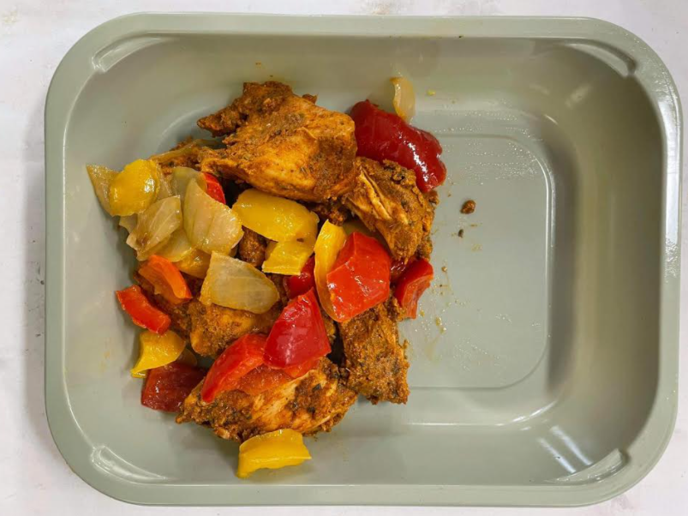 |  |  |  |  | 

Fried Vegetables (CC) (GFF347R): 50g |  |  |  |  | 30% Fat Yoghurt & Mint (Piquant) (RMPIQ001-01): 40g |  |  |  | Satco 2oz Pots with Lids (PKJEN001-03)
130g + 50g = 180g |  |  |  |  | TOTAL WEIGHT: 220g
ALLERGY ALERT: Milk, Egg

